T137
UPC |  | Style | Color | Size |  | Quantity
070036099019 | CHAMPION | T137 | LIGHT BLUE/NAVY | SMALL | Mens | 432
090563967575 | CHAMPION | T137 | OXFORD GRAY/C GOLD | SMALL | Mens | 384
090563967636 | CHAMPION | T137 | OXFORD GRAY/CHARCOAL HEATHER | SMALL | Mens | 1584
090563967643 | CHAMPION | T137 | OXFORD GRAY/CHARCOAL HEATHER | MEDIUM | Mens | 2064
090563967452 | CHAMPION | T137 | OXFORD GRAY/CHARITY PINK | SMALL | Mens | 480
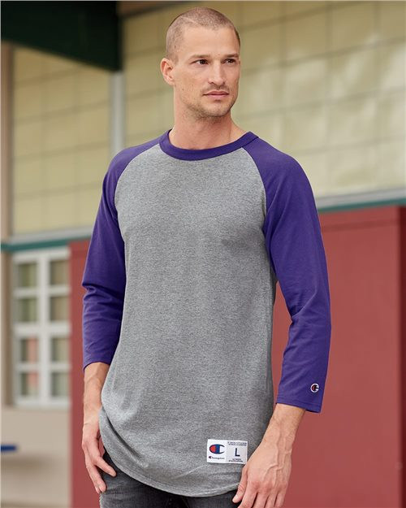
090563967469 | CHAMPION | T137 | OXFORD GRAY/CHARITY PINK | MEDIUM | Mens | 1344
090563967476 | CHAMPION | T137 | OXFORD GRAY/CHARITY PINK | LARGE | Mens | 960
090563967483 | CHAMPION | T137 | OXFORD GRAY/CHARITY PINK | X LARGE | Mens | 384
070036043616 | CHAMPION | T137 | OXFORD GRAY/NAVY | SMALL | Mens | 1248
070036043623 | CHAMPION | T137 | OXFORD GRAY/NAVY | MEDIUM | Mens | 336
090563967513 | CHAMPION | T137 | OXFORD GRAY/PURPLE | SMALL | Mens | 672
090563967520 | CHAMPION | T137 | OXFORD GRAY/PURPLE | MEDIUM | Mens | 528
090563967537 | CHAMPION | T137 | OXFORD GRAY/PURPLE | LARGE | Mens | 144
090563967544 | CHAMPION | T137 | OXFORD GRAY/PURPLE | X LARGE | Mens | 192
070036046181 | CHAMPION | T137 | OXFORD GRAY/SCARLET | SMALL | Mens | 1680
070036046198 | CHAMPION | T137 | OXFORD GRAY/SCARLET | MEDIUM | Mens | 1248
070036046204 | CHAMPION | T137 | OXFORD GRAY/SCARLET | LARGE | Mens | 48
070036043661 | CHAMPION | T137 | OXFORD GRAY/TEAM BLUE | SMALL | Mens | 1776
070036043678 | CHAMPION | T137 | OXFORD GRAY/TEAM BLUE | MEDIUM | Mens | 624
070036043685 | CHAMPION | T137 | OXFORD GRAY/TEAM BLUE | LARGE | Mens | 1200
070036043692 | CHAMPION | T137 | OXFORD GRAY/TEAM BLUE | X LARGE | Mens | 528
070036099026 | CHAMPION | T137 | SCARLET/BLACK | SMALL | Mens | 912
070036099033 | CHAMPION | T137 | SCARLET/BLACK | MEDIUM | Mens | 0
070036043715 | CHAMPION | T137 | WHITE/TEAM BLUE | SMALL | Mens | 96
70036043357 | CHAMPION | T137 | WHITE/BLACK | SMALL | Mens | 8,016
70036043555 | CHAMPION | T137 | WHITE/C GOLD | SMALL | Mens | 1,968
70036043562 | CHAMPION | T137 | WHITE/C GOLD | MEDIUM | Mens | 1,488
70036043579 | CHAMPION | T137 | WHITE/C GOLD | LARGE | Mens | 1,248
70036043586 | CHAMPION | T137 | WHITE/C GOLD | X LARGE | Mens | 528
090563096176 | CHAMPION | T137 | WHITE/C GOLD | 3X LARGE | Mens | 48
70036064475 | CHAMPION | T137 | WHITE/MAROON | SMALL | Mens | 1,392
70036064482 | CHAMPION | T137 | WHITE/MAROON | MEDIUM | Mens | 432
70036064499 | CHAMPION | T137 | WHITE/MAROON | LARGE | Mens | 72
70036043456 | CHAMPION | T137 | WHITE/NAVY | SMALL | Mens | 1,296
70036043463 | CHAMPION | T137 | WHITE/NAVY | MEDIUM | Mens | 1,488
70036043500 | CHAMPION | T137 | WHITE/SCARLET | SMALL | Mens | 1,008
70036043517 | CHAMPION | T137 | WHITE/SCARLET | MEDIUM | Mens | 720
70036043524 | CHAMPION | T137 | WHITE/SCARLET | LARGE | Mens | 120
 | CHAMPION | T137 | WHITE/SCARLET | 3X LARGE | Mens | 4,320
 |  |  |  |  |  | 43,008

